D7. Stratification Graphs
 |  | Retained Covered Bonds

 | Straticifation Tables

 | Portfolio Cut-off Date
 |  | 30/11/2021

 | 1. Geographic distribution
 | 
 | 2. Seasoning
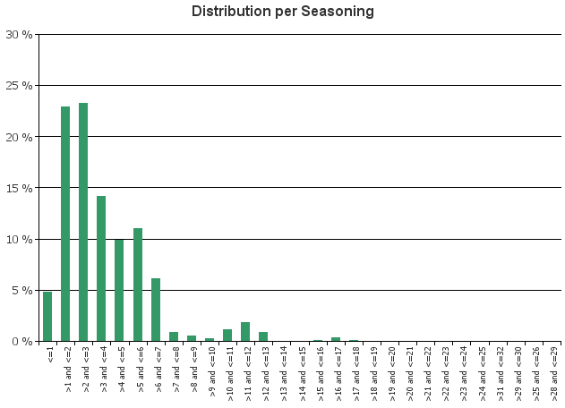
 | 3. Remaining term to maturity
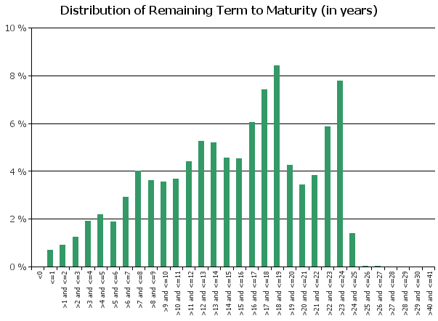
 | 4. Original term to maturity
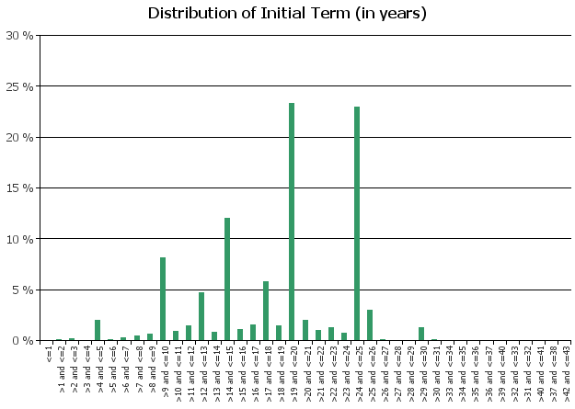
 | 5. Origination Year
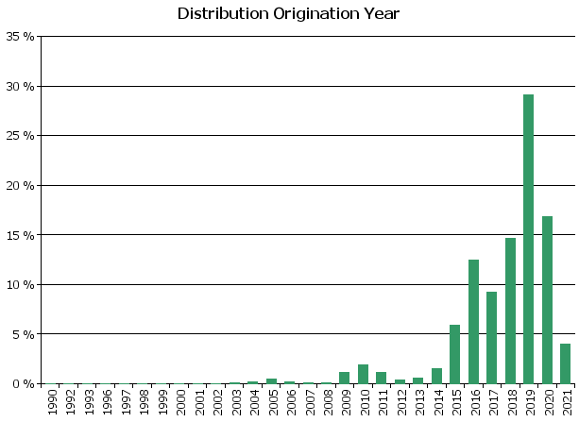
 | 6. Outstanding Loan Balance by Borrower
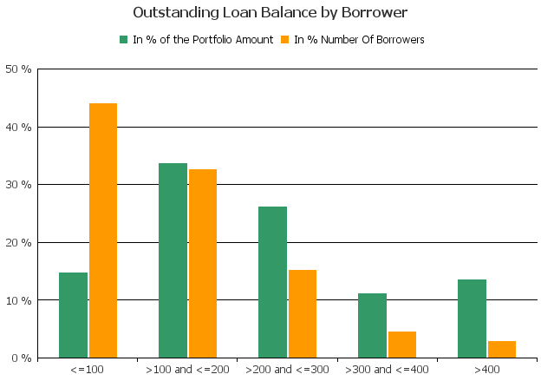
 | 7. Interest Rate

 | 8. Interest Rate Type
 | 
 | 9. Next Reset Date
 | 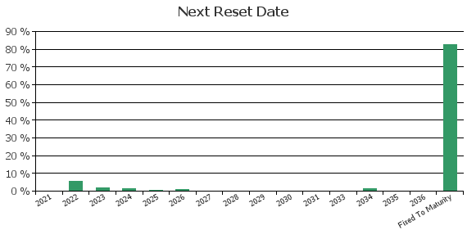
 | 10. Interest Payment Frequency
 | 
 | 11. Repayment Type
 | 
 | 12. Current Loan to Current Value (LTV)
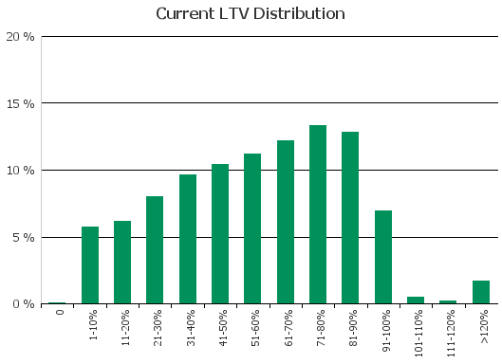
 | 13. Loan to Mortgage Inscription Ratio (LTM)
 | 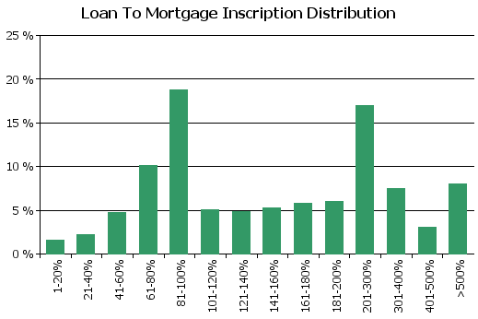
 | 14. Distribution of Average Life to Final Maturity (at 0% CPR)
 | 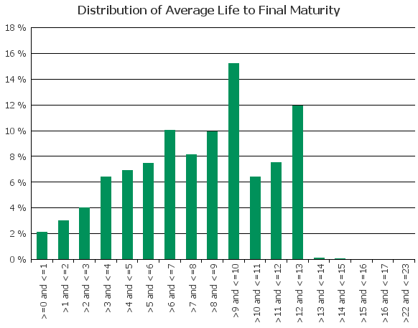
 | 15. Distribution of Average Life To Interest Reset Date (at 0% CPR)

D8. Performance
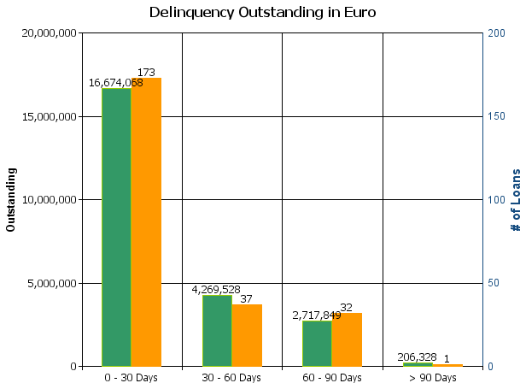
 |  | Retained Covered Bonds

Cover Pool Performance

Portfolio Cut-off Date |  | 30/11/2021

1. Delinquencies (at cut-off date)

 | In EUR |  | In % | In number of loans | In %
Performing | 15,246,539,653.92 |  | 99.84 % | 226,962 | 99.89 %

0 - 30 Days | 16,674,067.64 |  | 0.11 % | 173 | 0.08 %
30 - 60 Days | 4,269,527.92 |  | 0.03 % | 37 | 0.02 %
60 - 90 Days | 2,717,848.50 |  | 0.02 % | 32 | 0.01 %
> 90 Days | 206,327.94 |  | 0.00 % | 1 | 0.00 %
Total | 15,270,407,425.92 |  | 100.00 % | 227,205 | 100.00 %

D10. Amortisation Graph
