D7. Stratification Graphs

 |  | Retained Covered Bonds

 | Straticifation Tables

 | Portfolio Cut-off Date
 |  | 30/11/2023

 | 1. Geographic distribution
 | 
 | 2. Seasoning
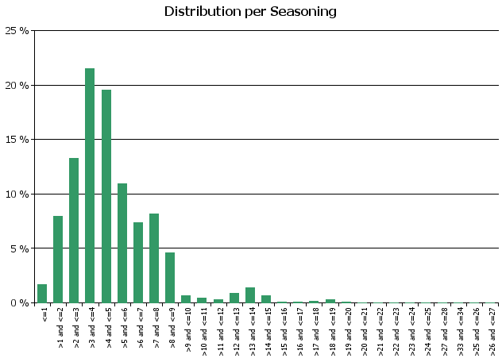
 | 3. Remaining term to maturity
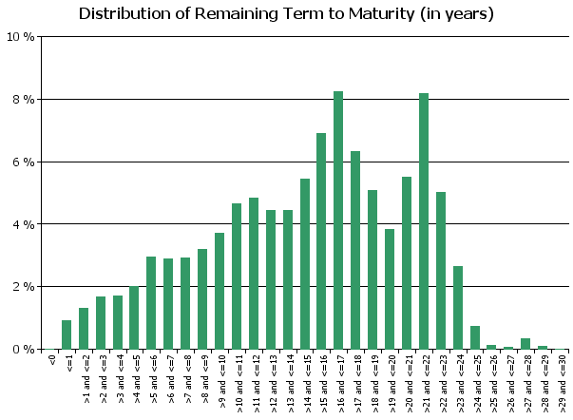
 | 4. Original term to maturity
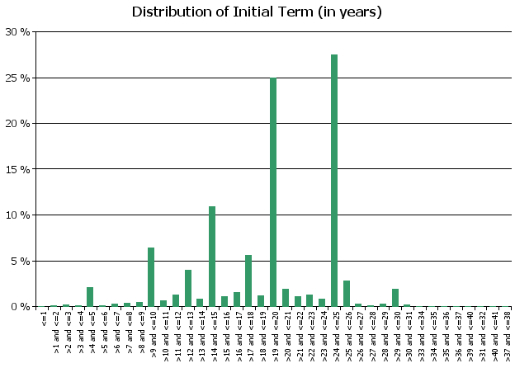
 | 5. Origination Year
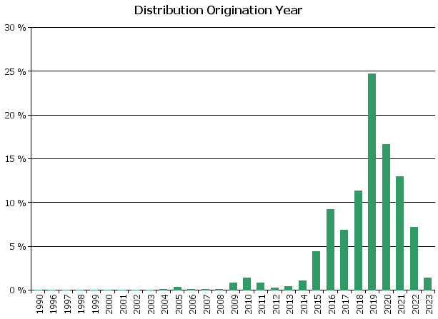
 | 6. Outstanding Loan Balance by Borrower
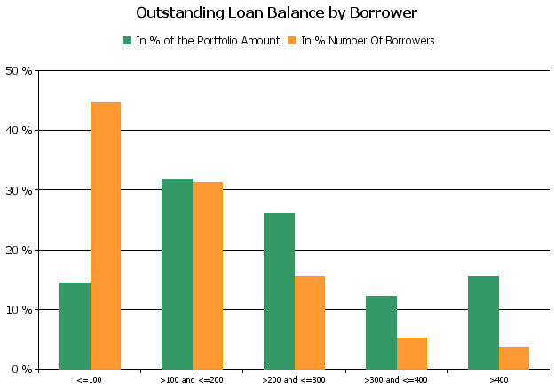
 | 7. Interest Rate
 | 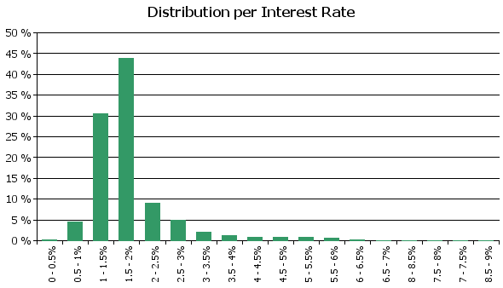
 | 8. Interest Rate Type
 | 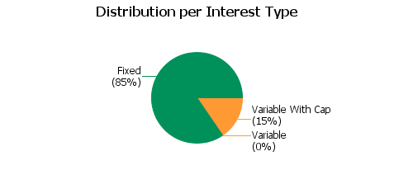
 | 9. Next Reset Date
 | 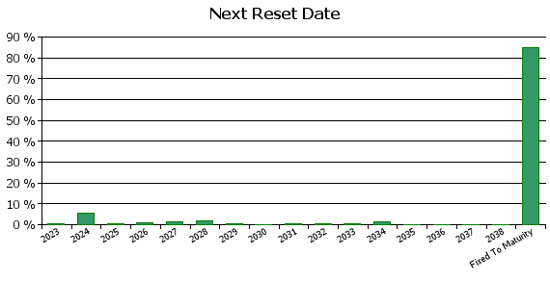
 | 10. Interest Payment Frequency
 | 
 | 11. Repayment Type
 | 
 | 12. Current Loan to Current Value (LTV)
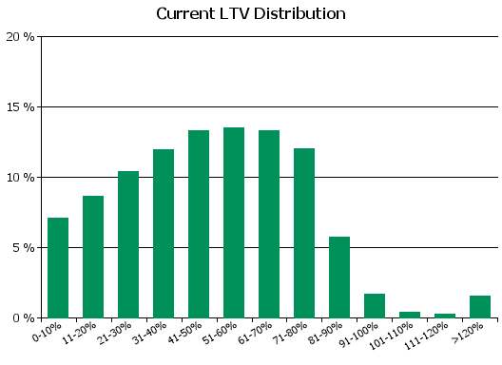
 | 13. Current Loan to Original Value (LTOV)
 | 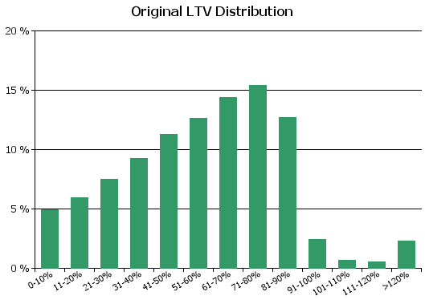
 | 14. Loan to Mortgage Inscription Ratio (LTM)
 | 
 | 15. Distribution of Average Life to Final Maturity (at 0% CPR)
 | 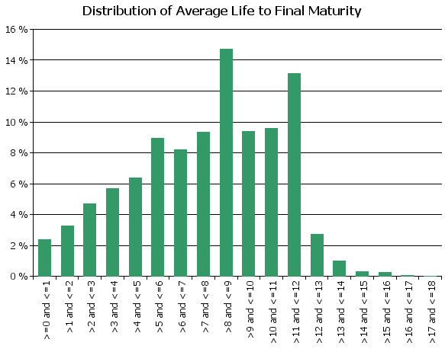
 | 16. Distribution of Average Life To Interest Reset Date (at 0% CPR)
 | 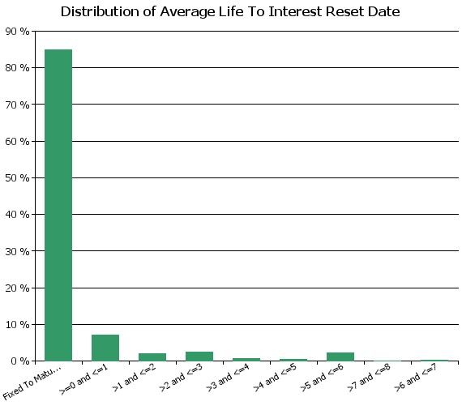
 | 17. Occupation Type (Based on Indexed Property Value)

 | 18. IFRS9 Norms

D8. Performance
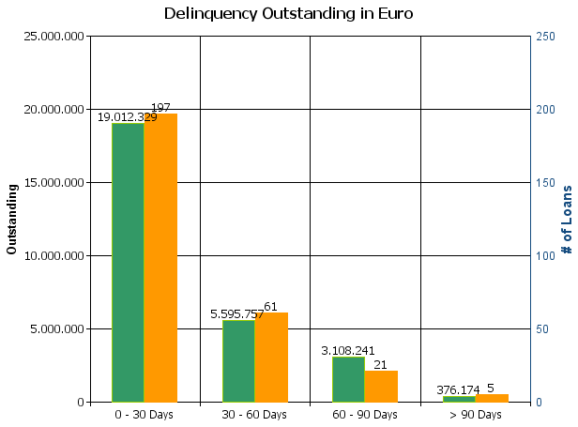
 |  | Retained Covered Bonds

Cover Pool Performance

Portfolio Cut-off Date |  | 30/11/2023

1. Delinquencies (at cut-off date)

 | In EUR |  | In % | In number of loans | In %
Performing | 15,258,692,165.71 |  | 99.82 % | 230,029 | 99.88 %

0 - 30 Days | 19,012,329.11 |  | 0.12 % | 197 | 0.09 %
30 - 60 Days | 5,595,757.30 |  | 0.04 % | 61 | 0.03 %
60 - 90 Days | 3,108,241.21 |  | 0.02 % | 21 | 0.01 %
> 90 Days | 376,174.03 |  | 0.00 % | 5 | 0.00 %
Total | 15,286,784,667.36 |  | 100.00 % | 230,313 | 100.00 %

D10. Amortisation Graph
