D8. Performance
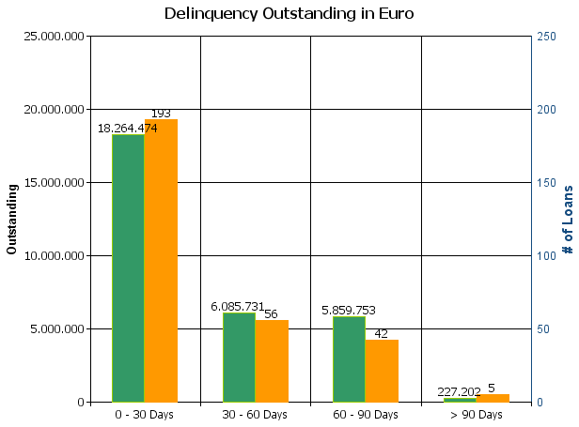
 |  | Retained Covered Bonds

Cover Pool Performance

Portfolio Cut-off Date |  | 31/03/2024

1. Delinquencies (at cut-off date)

 | In EUR |  | In % | In number of loans | In %
Performing | 15,108,410,421.12 |  | 99.80 % | 229,880 | 99.87 %

0 - 30 Days | 18,264,473.83 |  | 0.12 % | 193 | 0.08 %
30 - 60 Days | 6,085,731.31 |  | 0.04 % | 56 | 0.02 %
60 - 90 Days | 5,859,753.09 |  | 0.04 % | 42 | 0.02 %
> 90 Days | 227,202.47 |  | 0.00 % | 5 | 0.00 %
Total | 15,138,847,581.82 |  | 100.00 % | 230,176 | 100.00 %

