D8. Performance
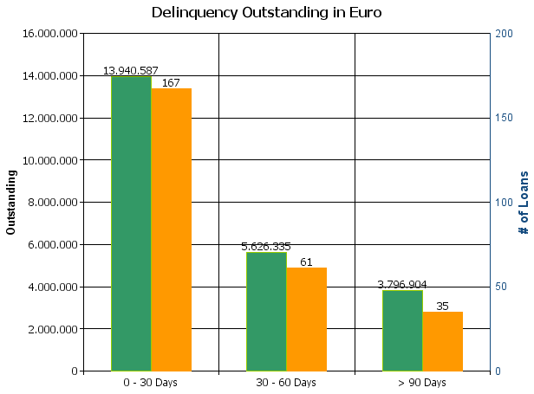
 |  | Retained Covered Bonds

Cover Pool Performance

Portfolio Cut-off Date |  | 31/05/2024

1. Delinquencies (at cut-off date)

 | In EUR |  | In % | In number of loans | In %
Performing | 14,907,369,235.14 |  | 99.84 % | 228,600 | 99.89 %

0 - 30 Days | 13,940,586.80 |  | 0.09 % | 167 | 0.07 %
30 - 60 Days | 5,626,335.29 |  | 0.04 % | 61 | 0.03 %
60 - 90 Days
> 90 Days | 3,796,903.80 |  | 0.03 % | 35 | 0.02 %
Total | 14,930,733,061.03 |  | 100.00 % | 228,863 | 100.00 %

D10. Amortisation Graph
