D7. Stratification Graphs

 |  | Residential Mortgage Pandbrieven Programme

 | Straticifation Tables

 | Portfolio Cut-off Date
 |  | 31/03/2024

 | 1. Geographic distribution
 | 
 | 2. Seasoning
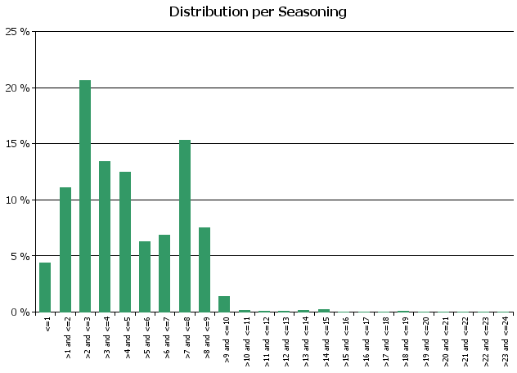
 | 3. Remaining term to maturity
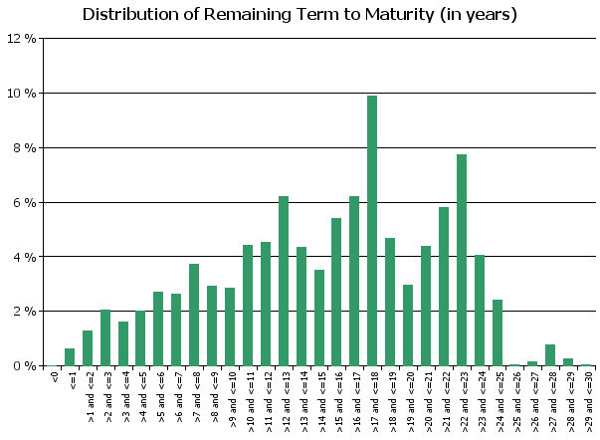
 | 4. Original term to maturity
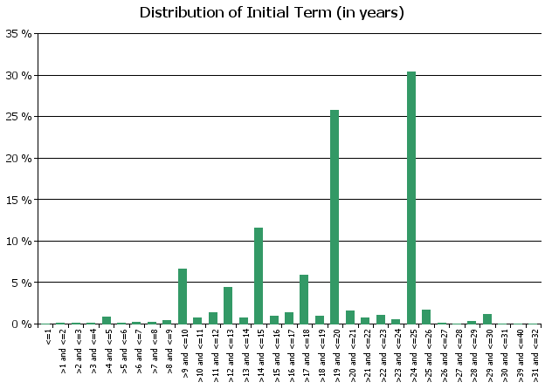
 | 5. Origination Year
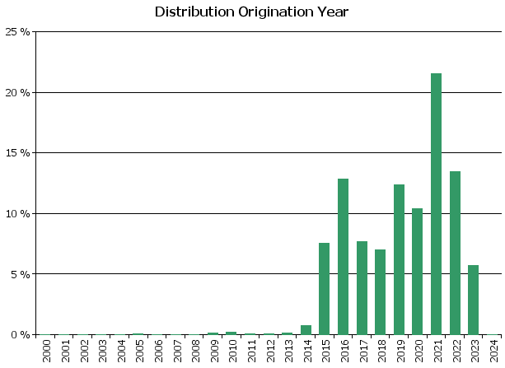
 | 6. Outstanding Loan Balance by Borrower
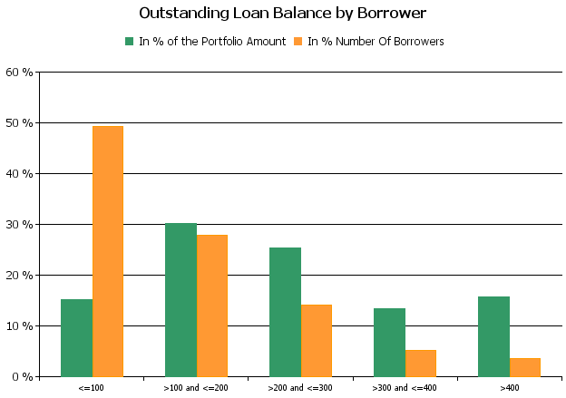
 | 7. Interest Rate

 | 8. Interest Rate Type
 | 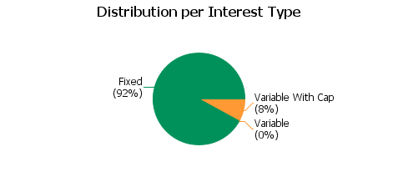
 | 9. Next Reset Date
 | 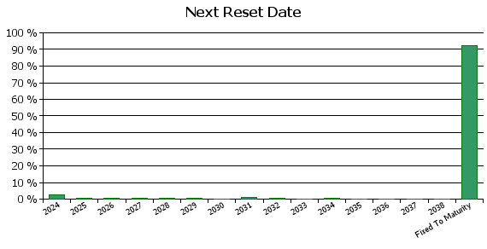
 | 10. Interest Payment Frequency
 | 
 | 11. Repayment Type
 | 
 | 12. Current Loan to Current Value (LTV)
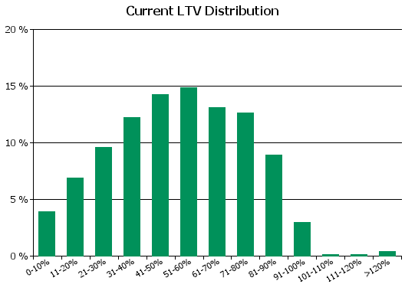
 | 13. Current Loan to Original Value (LTOV)
 | 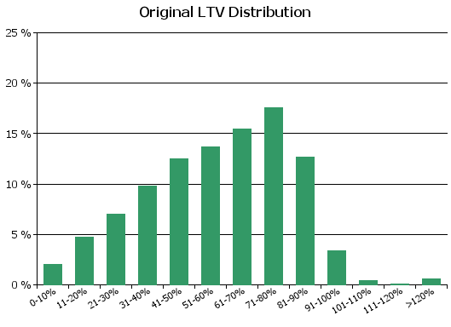
 | 14. Loan to Mortgage Inscription Ratio (LTM)
 | 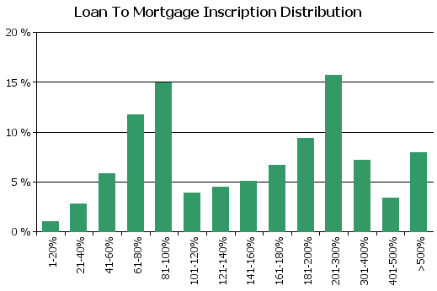
 | 15. Distribution of Average Life to Final Maturity (at 0% CPR)
 | 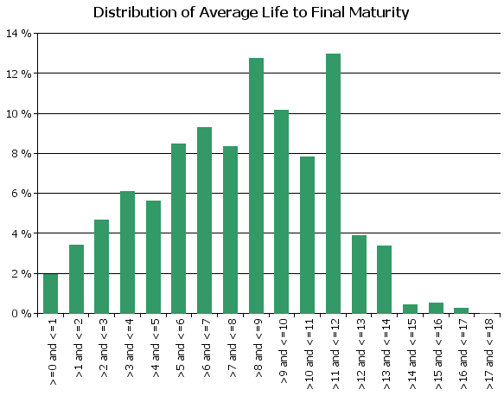
 | 16. Distribution of Average Life To Interest Reset Date (at 0% CPR)
 | 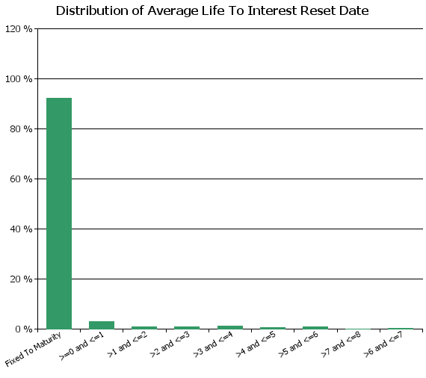
 | 17. Occupation Type (Based on Indexed Property Value)
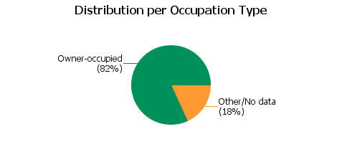
 | 18. IFRS9 Norms

D8. Performance
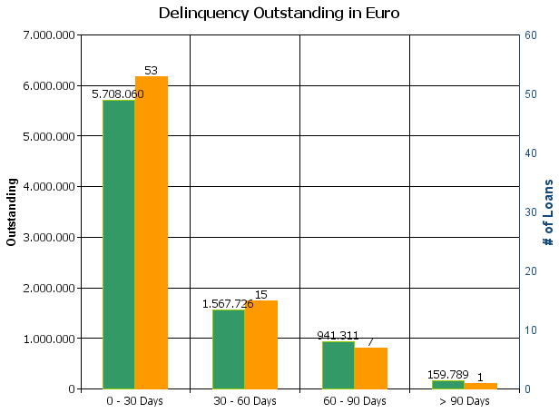
 |  | Residential Mortgage Pandbrieven Programme

Cover Pool Performance

Portfolio Cut-off Date |  | 31/03/2024

1. Delinquencies (at cut-off date)

 | In EUR |  | In % | In number of loans | In %
Performing | 3,573,544,447.84 |  | 99.77 % | 50,030 | 99.85 %

0 - 30 Days | 5,708,060.20 |  | 0.16 % | 53 | 0.11 %
30 - 60 Days | 1,567,725.80 |  | 0.04 % | 15 | 0.03 %
60 - 90 Days | 941,311.15 |  | 0.03 % | 7 | 0.01 %
> 90 Days | 159,789.24 |  | 0.00 % | 1 | 0.00 %
Total | 3,581,921,334.23 |  | 100.00 % | 50,106 | 100.00 %

