D8. Performance
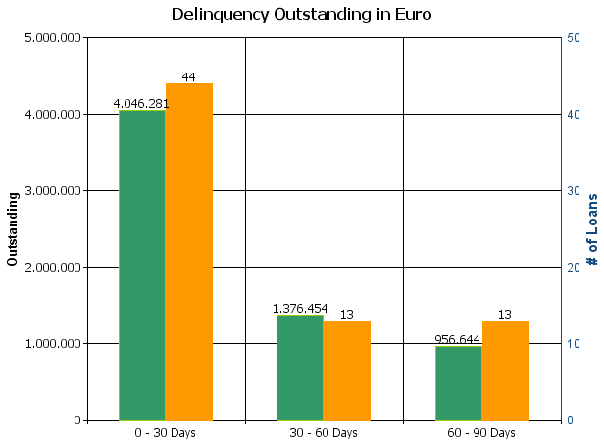
 |  | Residential Mortgage Pandbrieven Programme

Cover Pool Performance

Portfolio Cut-off Date |  | 29/02/2024

1. Delinquencies (at cut-off date)

 | In EUR |  | In % | In number of loans | In %
Performing | 3,600,111,982.05 |  | 99.82 % | 50,130 | 99.86 %

0 - 30 Days | 4,046,281.45 |  | 0.11 % | 44 | 0.09 %
30 - 60 Days | 1,376,454.13 |  | 0.04 % | 13 | 0.03 %
60 - 90 Days | 956,643.50 |  | 0.03 % | 13 | 0.03 %
> 90 Days
Total | 3,606,491,361.13 |  | 100.00 % | 50,200 | 100.00 %

