D7. Stratification Graphs

 |  | Residential Mortgage Pandbrieven Programme

 | Straticifation Tables

 | Portfolio Cut-off Date
 |  | 30/04/2024

 | 1. Geographic distribution
 | 
 | 2. Seasoning
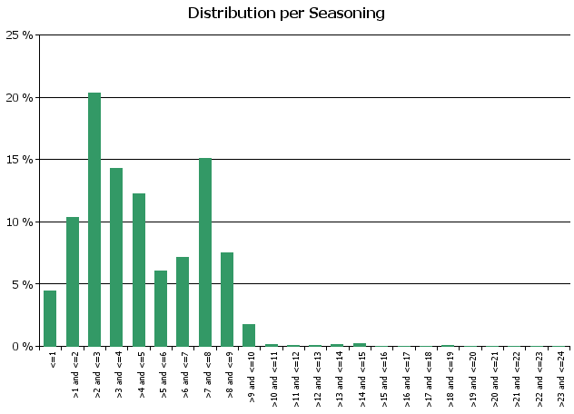
 | 3. Remaining term to maturity
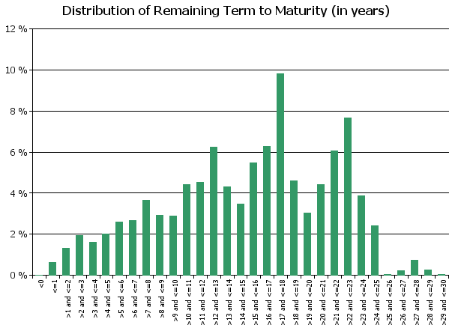
 | 4. Original term to maturity
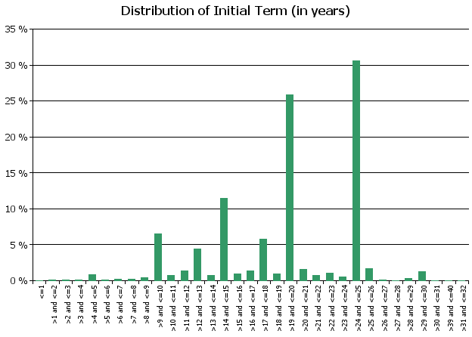
 | 5. Origination Year
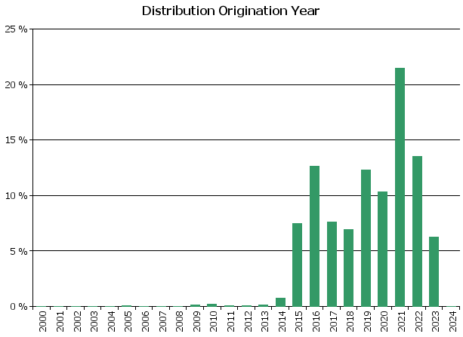
 | 6. Outstanding Loan Balance by Borrower
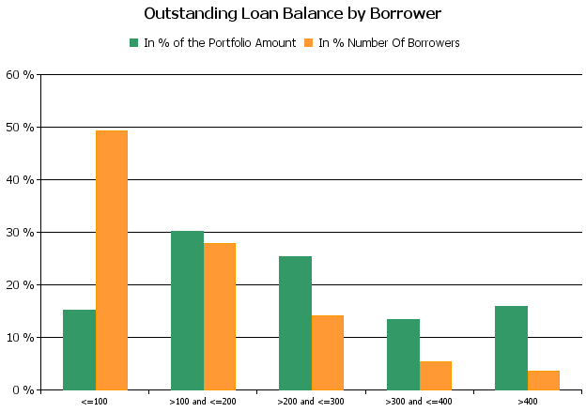
 | 7. Interest Rate

 | 8. Interest Rate Type
 | 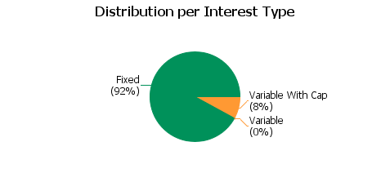
 | 9. Next Reset Date
 | 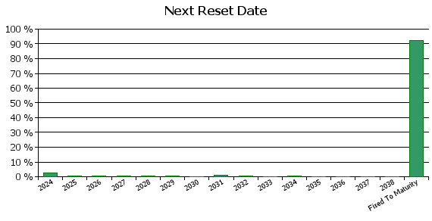
 | 10. Interest Payment Frequency
 | 
 | 11. Repayment Type
 | 
 | 12. Current Loan to Current Value (LTV)
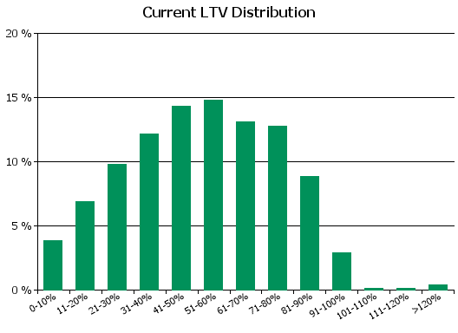
 | 13. Current Loan to Original Value (LTOV)
 | 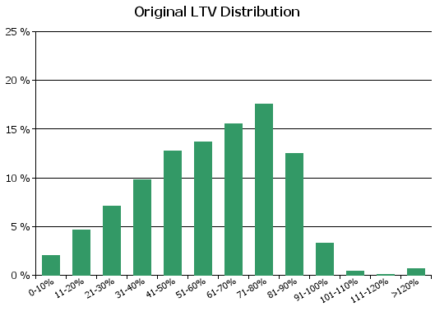
 | 14. Loan to Mortgage Inscription Ratio (LTM)
 | 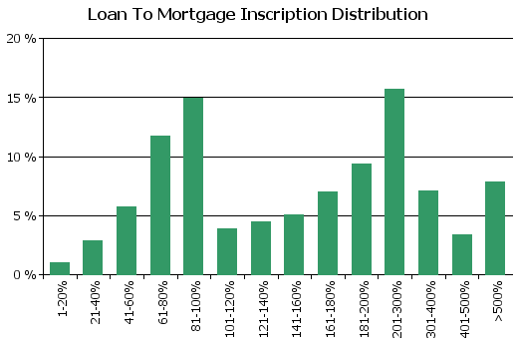
 | 15. Distribution of Average Life to Final Maturity (at 0% CPR)
 | 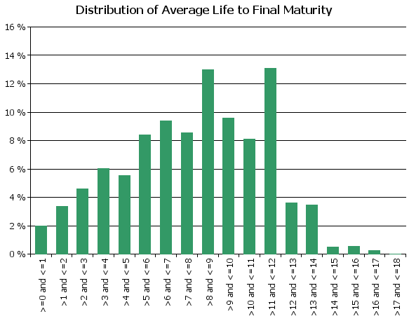
 | 16. Distribution of Average Life To Interest Reset Date (at 0% CPR)
 | 
 | 17. Occupation Type (Based on Indexed Property Value)
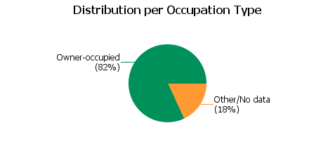
 | 18. IFRS9 Norms

D8. Performance
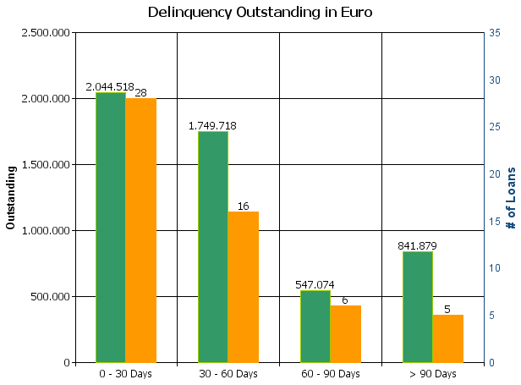
 |  | Residential Mortgage Pandbrieven Programme

Cover Pool Performance

Portfolio Cut-off Date |  | 30/04/2024

1. Delinquencies (at cut-off date)

 | In EUR |  | In % | In number of loans | In %
Performing | 3,572,153,479.29 |  | 99.86 % | 50,125 | 99.89 %

0 - 30 Days | 2,044,518.38 |  | 0.06 % | 28 | 0.06 %
30 - 60 Days | 1,749,717.54 |  | 0.05 % | 16 | 0.03 %
60 - 90 Days | 547,074.41 |  | 0.02 % | 6 | 0.01 %
> 90 Days | 841,879.03 |  | 0.02 % | 5 | 0.01 %
Total | 3,577,336,668.65 |  | 100.00 % | 50,180 | 100.00 %

